1. Title Page
Grocery Basket Analysis

Project Name: Grocery Basket Analysis
Date: 09.12.2023
Analyst Name: Anna Majer

Contents:
Population Flow
Consistency checks
Wrangling steps
Column derivations
Visualizations
Recommendations

2. Population Flow
Title page

Population flow

Exclusion flag
Condition: max_order <
Obervations to be removed:
Final total count of order_products_all:

Orders_products_combined
Orders_products_merged
Orders_products_all

Total: 32435070
Total: 32434489
Total: 32435059

1.) The grey boxes in the first row of the population flow represent the original data sets as they were when you downloaded them. In the Total fields you need to add the count of the rows when you imported the data set into Jupyter.
2.) The second row of boxes (coloured) represents the data sets after you manipulated them, e.g., removed missing values and duplicates. In the Total fields you need to add the count of the rows after conducting these operations. This offers a visual oveview of how the data flows throughout the data consistency checks.
3.) The third row, where also the arrows are coloured, represents the merges you performed between the datasets. In the Total fields you need to add the count of the rows in the merged datasets, so that you end up with the final dataset (in the red box). Keep in mind the final dataset should be without exclusions (based on the exclusion flag).

3. Consistency checks
 |  |  |  | Title page
Consistency checks

Dataset | Missing values | Missing values treatment | Duplicates
orders | 206209 | no needed | no duplicates
products | 16 | delete rows | 5
orders_products_prior | no | no needed | no duplicates
customers | no | no needed | no duplicates
df_dups_ords | no | no needed | no duplicates

4. Wrangling steps
 |  |  |  | Title page
Wrangling steps

Columns dropped | Columns renamed | Columns' type changed | Comment/Reason
'eval_set' |  |  | no needed
 | order_dow' to 'orders_day_of_week' |  | to better understand the name
 |  | order_id' to str | this was the task what I had to do
 |  | user_ID' in orders df changed to str | this was the task what I had to do
 | in orders df, 'days_since_prior_order' : 'number_of_days_since_order' |  | this was the task what I had to do
 |  | user_ID' in orders df changed to str | I had to work with a special user_ID and it didn't work in srt format
 |  | eval_set to str | this was a mixed type column and I had to change it
 |  | In df_orders_products_combined the following columns: ['order_id'] to ('int32') ['user_id']to ('int32') ['order_number'] to ('int8') ['orders_day_of_week'] to ('int8') ['order_time_of_day'] to('int8') ['days_since_prior_order'] to ('float16') | I was dealing with memory problems by merging 2 big dataframes
 |  | In df_orders_products_combined : ['product_id']. to ('int32') ['reordered'] to ('int8') ['add_to_cart_order'] to ('int32') | I was dealing with memory problems by merging 2 big dataframes
in df prods : 'Unnamed: 0' |  |  | no needed

5. Column derivations
 |  |  |  | Title page

Column derivations and aggregations

In this tab you should add tables below that the frequences of flags/label variables that you produced after deriving them. NB: don't do this for continuous variables, only for flags.
Dataset | New column | Column/s it was derived from | Conditions
orders_products_merged | price_range | price | if row['prices'] <= 5: return 'Low-range product' elif (row['prices'] > 5) and (row['prices'] <= 15): return 'Mid-range product' elif row['prices'] > 15: return 'High range' else: return 'Not enough data'
orders_products_merged | busiest_day | orders_day_of_week | for value in df_ords_prods_merge["orders_day_of_week"]: if value == 0: result.append("Busiest day") elif value == 4: result.append("Least busy") else: result.append("Regularly busy")
orders_products_merged | busiest_period_of_day | order_time_of_day | for value in df_ords_prods_merge["order_time_of_day"]: if value in [10, 11, 14, 15, 13, 12, 16, 9]: result_hours.append("Most orders") elif value in [17, 8, 18, 19, 20, 7, 21, 22]: result_hours.append("Average orders") elif value in [23, 6, 0, 1, 5, 2, 4, 3]: result_hours.append("Fewest orders") else: result_hours.append("Missing data")
orders_products_merged | loyalty_flag | max_order | ords_prods_merge.loc[ords_prods_merge['max_order'] > 40, 'loyalty_flag'] = 'Loyal customer' ords_prods_merge.loc[(ords_prods_merge['max_order'] <= 40) & (ords_prods_merge['max_order'] > 10), 'loyalty_flag'] = 'Regular customer' ords_prods_merge.loc[ords_prods_merge['max_order'] <= 10, 'loyalty_flag'] = 'New customer'
orders_products_merged | spender_type | mean_prices | ords_prods_merge.loc[ords_prods_merge['mean_prices'] >= 10, 'spender_type'] = 'High spender' ords_prods_merge.loc[ords_prods_merge['mean_prices'] < 10, 'spender_type'] = 'Low spender'
orders_products_merged | customer_activity | max_order_number | if row['max_order_number'] < 5: return 'low-activity customer' elif row['max_order_number'] >= 5: return 'high-activity customer' else: return 'Not enough data'
high_activity_customers | young_adult_profile | Age | def young_adult_profile(row): if 18 < row['Age'] < 25: return 'yes' elif row['Age'] >= 25 or row['Age'] <= 18: return 'no' else: return 'Not enough data'
high_activity_customers | def single_adult_profile | n_dependants' and 'Age' | def single_adult_profile(row): if row['n_dependants'] < 1 and row['Age'] > 18: return 'yes' elif row['n_dependants'] >= 1 or row['Age'] < 18: return 'no' else: return 'Not enough data'
high_activity_customers | young_parent_profile | n_dependants' and 'Age' | def young_parent_profile(row): if row['n_dependants'] >= 1 and 18 <= row['Age'] <= 35: return 'yes' elif row['n_dependants'] < 1 or row['Age'] < 18 or row['Age'] > 35: return 'no' else: return 'Not enough data'
high_activity_customers | busy_professional_profile | income and Age | def busy_professional_profile(row): if ['income'] > df_high_activity_customers['income'].quantile(0.70) and row['Age'] >= 18 : return 'yes' elif row['income'] <= df_high_activity_customers['income'].quantile(0.70) or row['Age'] < 18 : return 'no' else: return 'Not enough data'
high_activity_customers | big_family_profile | n_dependants | def big_family_profile(row): if ['n_dependants'] > 3 : return 'yes' elif row['n_dependants'] <= 3 : return 'no' else: return 'Not enough data'

6. Visualizations
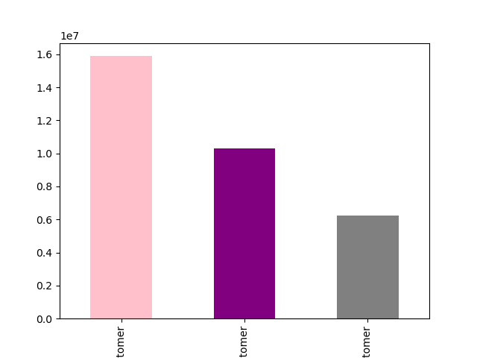
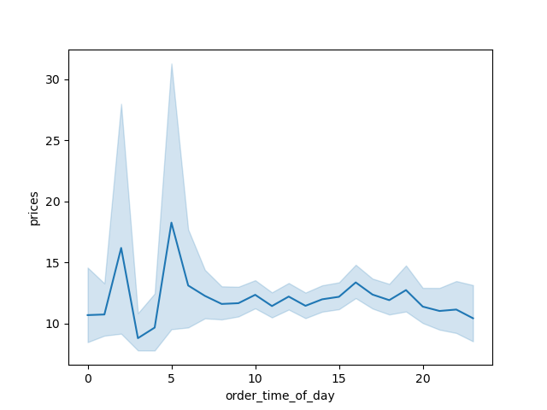
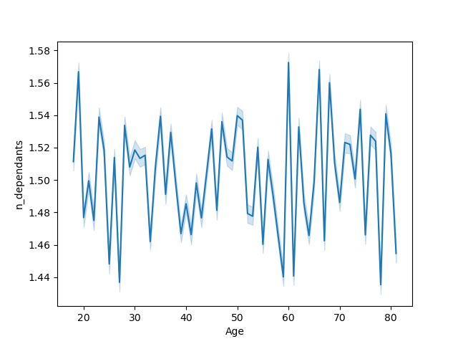



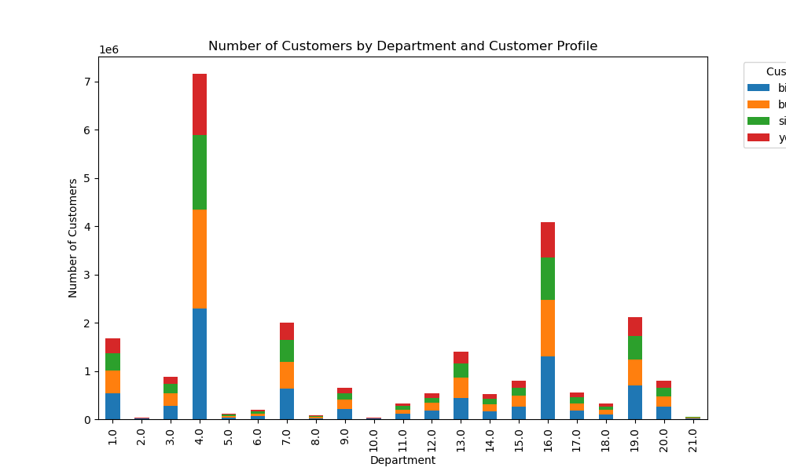
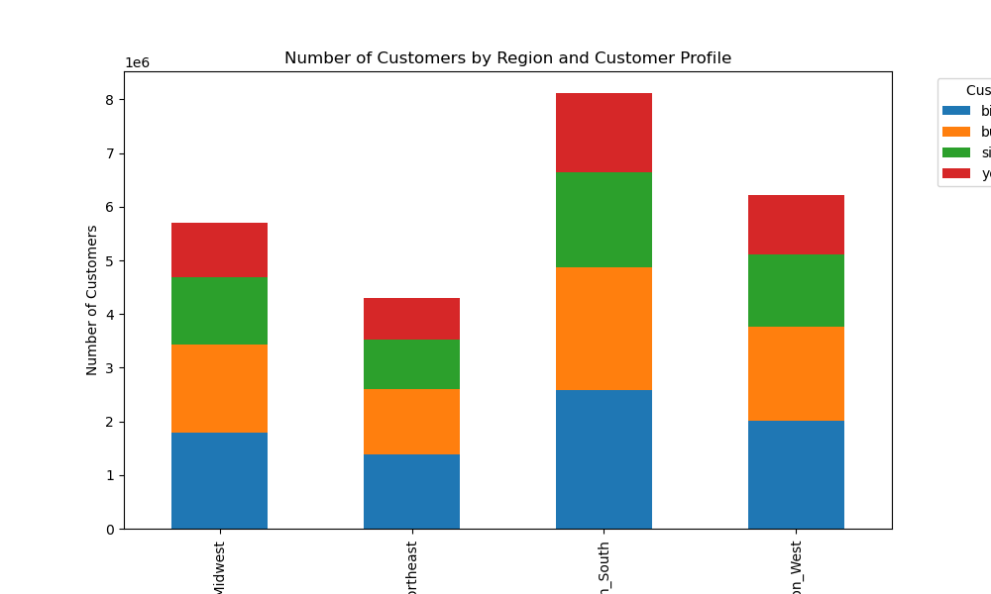
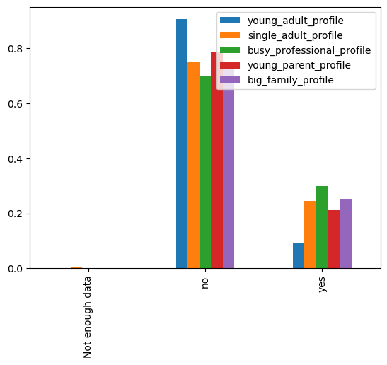
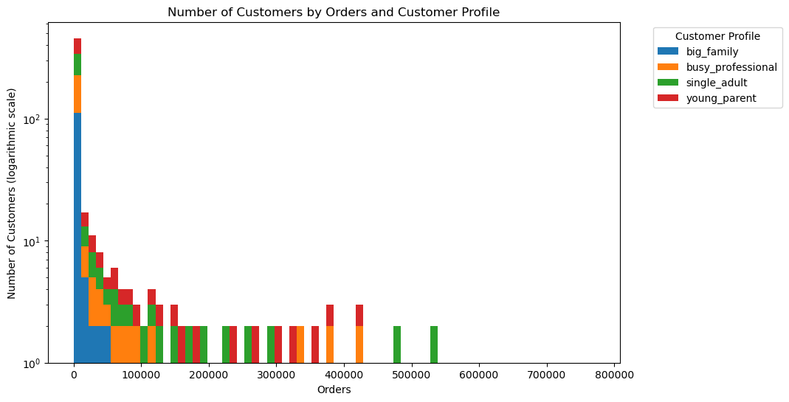

Title page
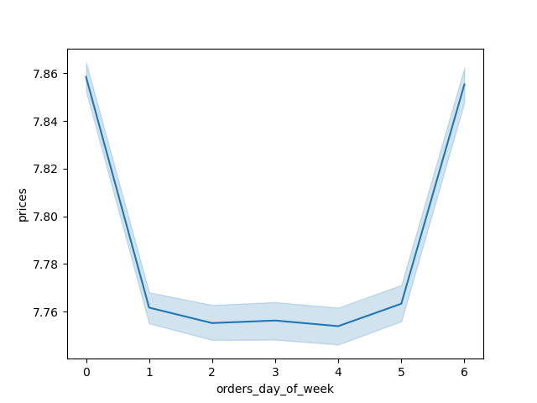
Visualisations

In this tab you should include all the visualtions from Exercises 4.9 and 4.10, alongside the questions from the project brief that they answer. Include any commentary on the relationship between different variables.

7. Recommendations
 |  |  |  |  |  | Title page

Recommendations

In this tab you should include any recommendations you would made to Instcart in terms of their marketing strategy based on the questions posed in the brief. Every key question has been covered in the Tasks of the Exercises - here you need to add an item - a visualisation or table/crosstable that is showing the answer in the data, acompanied by a comment from you. Please, list the questions below and add the answer underneath.

Question | Answer
Key Question 1: The sales team needs to know what the busiest days of the week and hours of the day are (i.e., the days and times with the most orders) in order to schedule ads at times when there are fewer orders. | Busiest days are 0 and 1, saturday and sunday. The orders begin to increase at 6:00 am and sharply surge until 10:00am where is the peak. 10:00-16:00 remain steady on a high level. Between 16:00 and 24:00 considerably decrease in number of orders. In the night 24:00-06:00 remains constatnly very low the sales. |  |  |  | 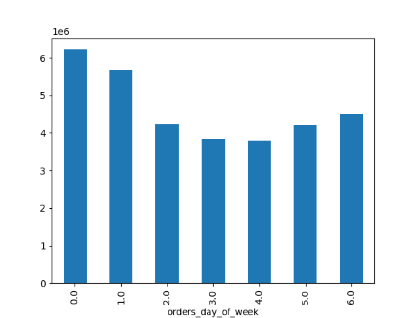
Key Question 2 : They also want to know whether there are particular times of the day when people spend the most money, as this might inform the type of products they advertise at these times. | People spend the most money at 2:00 in the night and 5:00 in the morning.
Key Question 3: Instacart has a lot of products with different price tags. Marketing and sales want to use simpler price range groupings to help direct their efforts. | I created a new column: price_range Mid-range product 652638 Low-range product 338018 High range 9344
Key Question 4: Are there certain types of products that are more popular than others? The marketing and sales teams want to know which departments have the highest frequency of product orders. | I calculated the mean of number of orders by departments. Result are in cells (E:28 - F:49)
Key Question 5: What’s the distribution among users in regards to their brand loyalty (i.e., how often do they return to Instacart)? | I created a loyality flag column in the database. loyalty_flag Regular customer 15891507 Loyal customer 10294027 New customer 6249525 NaN 11
Key Question 6: Are there differences in ordering habits based on a customer’s loyalty status? | I calculated the average, minimum and maximum prices by customer loyality groups. There are no significant difference between the groups. ords_prods_merge.groupby('loyalty_flag').agg({'prices': ['mean', 'min', 'max']}) | 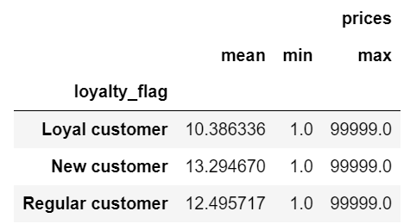
Key Question 7: Are there differences in ordering habits based on a customer’s region? | In the number of high spender customers are not significant difference between the regions. In the South region are the most low spender.
Key Question 8: Is there a connection between age and family status in terms of ordering habits? | I created different customer profiles due to the age, income and family status of the customer. We can add more profiles if business needed. On the chart we can see slightly differences between customer classes. For example frozen, bakery, dry goods pasta and pantry are more popular by big family and busy professional groups. | 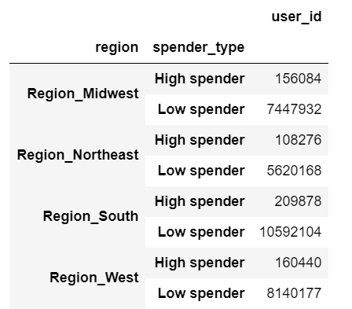
Key Question 9: What different classifications does the demographic information suggest? Age? Income? Certain types of goods? Family status? | I created different customer profiles due to the age, income and family status of the customer. The conditions are in '5. Column derivations' tab. The profiles are: young adult, single adult, young parents, busy professionel, big family
Key Question 10: What differences can you find in ordering habits of different customer profiles? Consider the price of orders, the frequency of orders, the products customers are ordering, and anything else you can think of. | On the chart 'Number of Customers by Orders and Customer Profile' we can see, that the biggest orders was done by single adults. Big families budget are low. The moderate orders were made bz single adults, zoung parents and busy professionals.

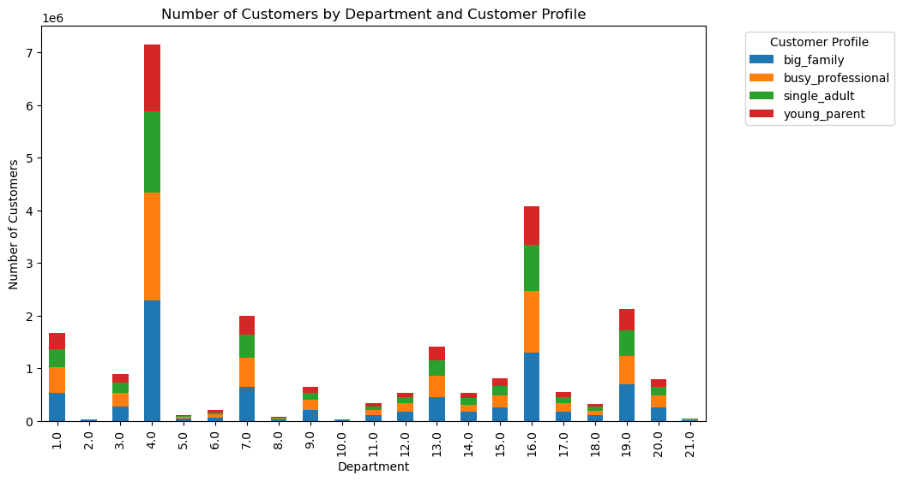
 |  | Department Name | Department ID | Mean of Number of Orders
 |  | frozen | 1 | 15.577493
 |  | other | 2 | 17.320781
 |  | bakery | 3 | 16.084944
 |  | produce | 4 | 17.530458
 |  | alcohol | 5 | 14.763075
 |  | international | 6 | 16.658449
 |  | beverages | 7 | 17.03159
 |  | pets | 8 | 15.076662
 |  | dry goods pasta | 9 | 15.44758
 |  | bulk | 10 | 18.681852
 |  | personal care | 11 | 15.447411
 |  | meat seafood | 12 | 14.327957
 |  | pantry | 13 | 16.548642
 |  | breakfast | 14 | 16.960241
 |  | canned goods | 15 | 16.121948
 |  | dairy eggs | 16 | 17.803851
 |  | household | 17 | 15.593633
 |  | babies | 18 | 19.674252
 |  | snacks | 19 | 16.899756
 |  | deli | 20 | 16.255442
 |  | missing | 21 | 25.535479

